Instructions
Essbase Add-In Worksheet Settings Migration Tool

Instructions

Step 1 : | Ensure that SmartView is installed and functional. You should have menu item/ribbon labeled Smart View
 | NOTE: If you do not see this menu/ribbon, contact support before attemping any migrations!

 | If you need to add, enter it in Column A in the next available row (2-500).
 | In column B, place a 1 to indicate that we need the account. (Empty rows should contain a value of
 | 0 in Column B)

Step 2 : | As this utility uses Excel Macros (VBA), Excel may prompt you to Enable Macros upon opening
 | the utility. In order for the utility to function properly, you must enable this before attempting
 | to convert documents.
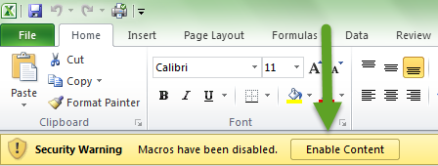

Step 3 : | Click on the 'Migrate Workbooks' located to the right of the Overview section at the top
 | of the Start Here worksheet
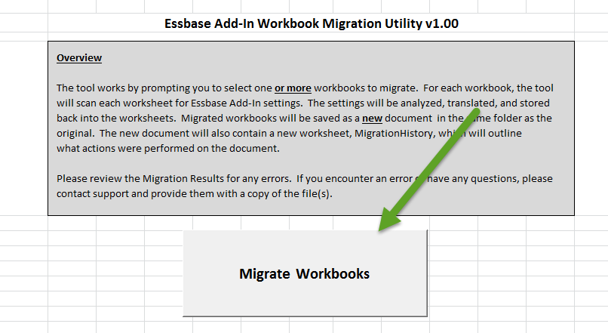

Step 4: | Use the File picker option to select one or more files to migrate.
 | NOTE: You can select multiple files by using the Shift or CTRL keys.
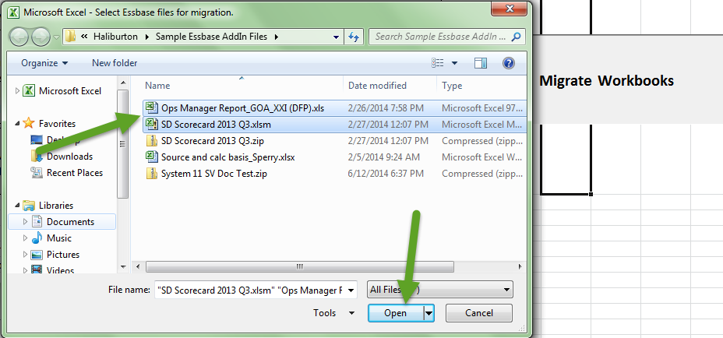

Step 5: | The utility will now process the files you have selected.
 | You will see status bar updates indicating which file it is processing.
 | You may also receive prompts if files are Read-Only, or the converted
 | filename already exists. You will be prompted to overwrite in this
 | case.

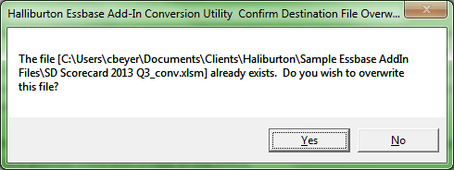

Step 6: | Upon completion of the conversion process, you will be notified if any errors were
 | encountered. If errors were encountered, or you want to see conversion details,
 | view the Migration Log worksheet.
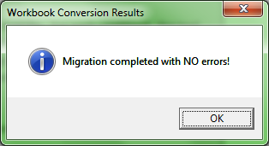

Step 7: | Converted files will be found in the same folder as the original and will have _conv appended
 | to the end of the filename.

